3D 1
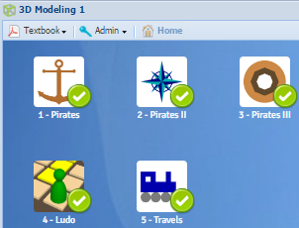
UNIT: 3D MODELING
Date: | Level 1 | Quick Start | Lab | Game Quiz | Bite Size | Quizlet | OneNote Set up | TOTAL
12/16/16 | Points Available: | 1 | 20 | 1 | 3 | 3 | 1 | 29
 | Points Awarded: | 1 | 20 | 1 | 3 | 3 | 1 | 29
 | Percentage: | 100% | 100% | 100% | 100% | 100% | 100% | 100%
 |  |  |  |  |  |  |  | A+
 |  |  |  |  |  |  |  |  | Points:
Exercise Title |  | Requirements |  |  |  |  |  |  | Available | Awarded
1 | Pirates | Create, color & display simple 3D objects |  |  |  |  |  |  | 4 | 4
2 | Pirates 2 | How to move objects in the XY plane |  |  |  |  |  |  | 4 | 4
3 | Pirates 3 | How to rotate and move objects in the XY plane |  |  |  |  |  |  | 4 | 4
4 | Ludo | How to rotate and move objects in 3D space |  |  |  |  |  |  | 4 | 4
5 | Travels | Moving & rotating objects in 3D space |  |  |  |  |  |  | 4 | 4
 |  |  |  |  |  |  | TOTAL: |  | 20 | 20

 |  |  |  |  |  |  | Yel

 |  | F | 0.0%
 |  | D- | 59.5%
 |  | D | 62.5%
 |  | D+ | 66.5%
 |  | C- | 69.5%
 |  | C- | 72.5%
 |  | C+ | 76.5%
 |  | B- | 79.5%
 |  | B | 82.5%
 |  | B+ | 86.5%
 |  | A- | 89.5%
 |  | A | 93.5%
 |  | A+ | 97.5%

3D 2
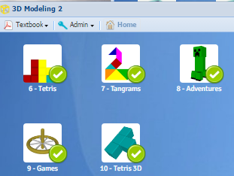
UNIT: 3D MODELING
Date: | Level 2 | Quick Start | Lab | Game Quiz | Bite Size | Quizlet | OneNote Set up | TOTAL
12/16/16 | Points Available: | 1 | 20 | 1 | 3 | 3 | 1 | 29
 | Points Awarded: | 1 | 20 | 1 | 3 | 3 | 1 | 29
 | Percentage: | 100% | 100% | 100% | 100% | 100% | 100% | 100%
 |  |  |  |  |  |  |  | A+
 |  |  |  |  |  |  |  |  | Points:
Exercise Title |  | Requirements |  |  |  |  |  |  | Available | Awarded
6 | Tetris | How combine and subtract 3D objects |  |  |  |  |  |  | 4 | 4
7 | Tangrams | How to etrude objects from the XY plane to 3D |  |  |  |  |  |  | 4 | 4
8 | Adventures |  |  |  |  |  |  |  | 4 | 4
9 | Games |  |  |  |  |  |  |  | 4 | 4
10 | Tetris 3D |  |  |  |  |  |  |  | 4 | 4
 |  |  |  |  |  |  | TOTAL: |  | 20 | 20

 |  | F | 0.0%
 |  | D- | 59.5%
 |  | D | 62.5%
 |  | D+ | 66.5%
 |  | C- | 69.5%
 |  | C- | 72.5%
 |  | C+ | 76.5%
 |  | B- | 79.5%
 |  | B | 82.5%
 |  | B+ | 86.5%
 |  | A- | 89.5%
 |  | A | 92.5%
 |  | A+ | 97.5%

3D 3
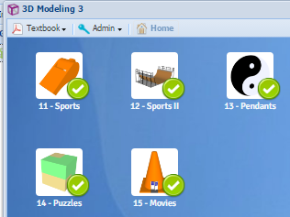
UNIT: 3D MODELING
Date: | Level 3 | Quick Start | Lab | Game Quiz | Bite Size | Quizlet | OneNote Set up | TOTAL
12/16/16 | Points Available: | 1 | 20 | 1 | 3 | 3 | 1 | 29
 | Points Awarded: | 1 | 20 | 1 | 3 | 3 | 1 | 29
 | Percentage: | 100% | 100% | 100% | 100% | 100% | 100% | 100%
 |  |  |  |  |  |  |  | A+
 |  |  |  |  |  |  |  |  | Points:
Exercise Title |  | Requirements |  |  |  |  |  |  | Available | Awarded
11 | Sports | How to automate simple design via Python scripting |  |  |  |  |  |  | 4 | 4
12 | Sports 2 | How to create curves & curved surfaces in 3D |  |  |  |  |  |  | 4 | 4
13 | Pendants |  |  |  |  |  |  |  | 4 | 4
14 | Puzzles |  |  |  |  |  |  |  | 4 | 4
15 | Movies |  |  |  |  |  |  |  | 4 | 4
 |  |  |  |  |  |  | TOTAL: |  | 20 | 20

 |  | F | 0.0%
 |  | D- | 59.5%
 |  | D | 62.5%
 |  | D+ | 66.5%
 |  | C- | 69.5%
 |  | C- | 72.5%
 |  | C+ | 76.5%
 |  | B- | 79.5%
 |  | B | 82.5%
 |  | B+ | 86.5%
 |  | A- | 89.5%
 |  | A | 92.5%
 |  | A+ | 97.5%

3D 4
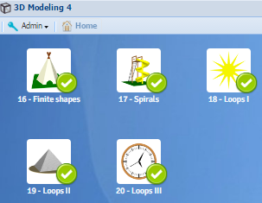
UNIT: 3D MODELING
Date: | Level 4 | Quick Start | Lab | Game Quiz | Bite Size | Quizlet | OneNote Set up | TOTAL
12/16/16 | Points Available: | 1 | 20 | 1 | 3 | 3 | 1 | 29
 | Points Awarded: | 1 | 20 | 1 | 3 | 3 | 1 | 29
 | Percentage: | 100% | 100% | 100% | 100% | 100% | 100% | 100%
 |  |  |  |  |  |  |  | A+
 |  |  |  |  |  |  |  |  | Points:
Exercise Title |  | Requirements |  |  |  |  |  |  | Available | Awarded
16 | Finite Shapes | How combine and subtract 3D objects |  |  |  |  |  |  | 4 | 4
17 | Spirals | How to etrude objects from the XY plane to 3D |  |  |  |  |  |  | 4 | 4
18 | Loops 1 |  |  |  |  |  |  |  | 4 | 4
19 | Loops 2 |  |  |  |  |  |  |  | 4 | 4
20 | Loops 3 |  |  |  |  |  |  |  | 4 | 4
 |  |  |  |  |  |  | TOTAL: |  | 20 | 20

 |  | F | 0.0%
 |  | D- | 59.5%
 |  | D | 62.5%
 |  | D+ | 66.5%
 |  | C- | 69.5%
 |  | C- | 72.5%
 |  | C+ | 76.5%
 |  | B- | 79.5%
 |  | B | 82.5%
 |  | B+ | 86.5%
 |  | A- | 89.5%
 |  | A | 92.5%
 |  | A+ | 97.5%

